Level 1 Guest (1-100MB)
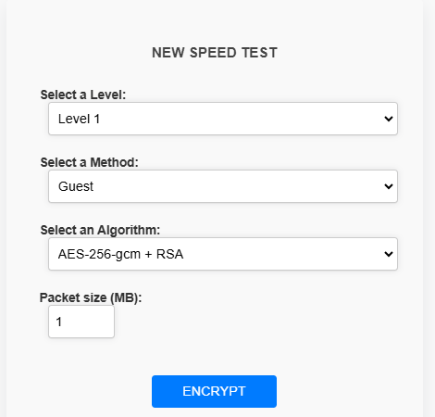

Guest(AES-256-GCM + RSA) - 100 packets

 | Encryption time(s) | Packet Size(MB) | Decryption time(s) | Packet Size(MB)
 | 0.0039873123169 | 1 | 0.012965202332 | 1
 | 0.017955064774 | 5 | 0.033906936646 | 5
 | 0.036900997162 | 10 | 0.041889667511 | 10
 | 0.050861358643 | 15 | 0.054854154587 | 15
 | 0.1418197155 | 20 | 0.12354874611 | 20
 | 0.16200661659 | 25 | 0.15193533897 | 25
 | 0.17883682251 | 30 | 0.17321276665 | 30
 | 0.10571599007 | 35 | 0.097740411758 | 35
 | 0.12267327309 | 40 | 0.10471940041 | 40
 | 0.13663434982 | 45 | 0.11469125748 | 45
 | 0.15957212448 | 50 | 0.12666010857 | 50
 | 0.1595749855 | 55 | 0.13762927055 | 55
 | 0.17453145981 | 60 | 0.17353367805 | 60
 | 0.17153835297 | 65 | 0.16555666924 | 65
 | 0.18749904633 | 70 | 0.19949769974 | 70
 | 0.20445227623 | 75 | 0.19846463203 | 75
 | 0.22240424156 | 80 | 0.20846843719 | 80
 | 0.2692797184 | 85 | 0.2234005928 | 85
 | 0.27526140213 | 90 | 0.2313811779 | 90
 | 0.26730966568 | 95 | 0.26624679565 | 95
 | 0.26727366447 | 100 | 0.3251581192 | 100

 | Guest (ChaCha20 + ECC (Curve25519) ) - 100 packets

 | Encryption time(s) | Packet Size(KB) | Decryption time(s) | Packet Size(KB)
 | 0.008013010025 | 1 | 0.0099995136261 | 1
 | 0.074799537659 | 5 | 0.048868179321 | 5
 | 0.12366867065 | 10 | 0.084771633148 | 10
 | 0.16854929924 | 15 | 0.11868286133 | 15
 | 0.18650102615 | 20 | 0.15957331657 | 20
 | 0.24135398865 | 25 | 0.19647812843 | 25
 | 0.27725815773 | 30 | 0.23536944389 | 30
 | 0.59575510025 | 35 | 0.61408185959 | 35
 | 0.34707212448 | 40 | 0.36701822281 | 40
 | 0.37798810005 | 45 | 0.38197851181 | 45
 | 0.43187499046 | 50 | 0.43280935287 | 50
 | 0.47974729538 | 55 | 0.47174143791 | 55
 | 1.0720403194 | 60 | 1.0751664639 | 60
 | 1.1161580086 | 65 | 1.0557639599 | 65
 | 1.4765729904 | 70 | 1.1189973354 | 70
 | 1.515348196 | 75 | 1.3164892197 | 75
 | 1.3526365757 | 80 | 1.3128757477 | 80
 | 1.4086380005 | 85 | 1.3524830341 | 85
 | 1.5087287426 | 90 | 1.3646931648 | 90
 | 1.5836791992 | 95 | 1.753287077 | 95
 | 1.8652675152 | 100 | 1.5255300999 | 100

Level 1 Basic (1-100MB)
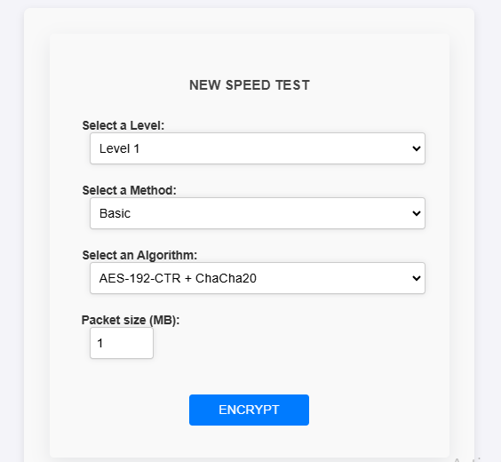

Baisct(AES-128-ccm + ChaCha20 + ECC (Curve25519)) - 100 packets

Encryption time(s) | Packet Size(MB) | Decryption time(s) | Packet Size(MB)
0.043902158737 | 1 | 0.034208774567 | 1
0.21702647209 | 5 | 0.1516456604 | 5
0.35045480728 | 10 | 0.30638694763 | 10
0.51432108879 | 15 | 0.55533146858 | 15
0.76230835915 | 20 | 0.68304944038 | 20
0.81999659538 | 25 | 0.78722906113 | 25
0.95373082161 | 30 | 0.88652777672 | 30
1.2764964104 | 35 | 1.1676249504 | 35
1.3339338303 | 40 | 1.3052284718 | 40
1.4431033134 | 45 | 1.2643020153 | 45
1.5731217861 | 50 | 1.8455348015 | 50
1.6626317501 | 55 | 1.4797327518 | 55
1.7058506012 | 60 | 1.6481506824 | 60
1.7509820461 | 65 | 2.0304067135 | 65
1.9630594254 | 70 | 1.969180584 | 70
2.0719931126 | 75 | 2.0490677357 | 75
2.3783867359 | 80 | 2.4444029331 | 80
2.7804908752 | 85 | 2.5373923779 | 85
2.650642395 | 90 | 2.5421037674 | 90
2.8210089207 | 95 | 2.6900413036 | 95
2.995554924 | 100 | 2.9799082279 | 100

Guest (AES-256-gcm + ChaCha20 + RSA) - 100 packets

Encryption time(s) | Packet Size(KB) | Decryption time(s) | Packet Size(KB)
0.011967658997 | 1 | 0.020945072174 | 1
0.059840202332 | 5 | 0.063829183578 | 5
0.10870790482 | 10 | 0.094745635986 | 10
0.15159392357 | 15 | 0.13164591789 | 15
0.20445275307 | 20 | 0.16555714607 | 20
0.24534416199 | 25 | 0.20445156097 | 25
0.2672855854 | 30 | 0.25634765625 | 30
0.33011555672 | 35 | 0.28025078773 | 35
0.3470723629 | 40 | 0.32114124298 | 40
0.38596701622 | 45 | 0.39993166924 | 45
0.43882393837 | 50 | 0.39495301247 | 50
0.46375966072 | 55 | 0.50066375732 | 55
0.47772049904 | 60 | 0.47872018814 | 60
0.63629436493 | 65 | 0.66721558571 | 65
0.59640407562 | 70 | 0.59441184998 | 70
0.59739947319 | 75 | 0.59247922897 | 75
0.62535214424 | 80 | 0.6272957325 | 80
0.67818665504 | 85 | 0.69115018845 | 85
1.3922297955 | 90 | 1.4024837017 | 90
1.5769286156 | 95 | 1.4945287704 | 95
1.5687532425 | 100 | 1.5469269753 | 100

Level 1 Advanced (1-100MB)
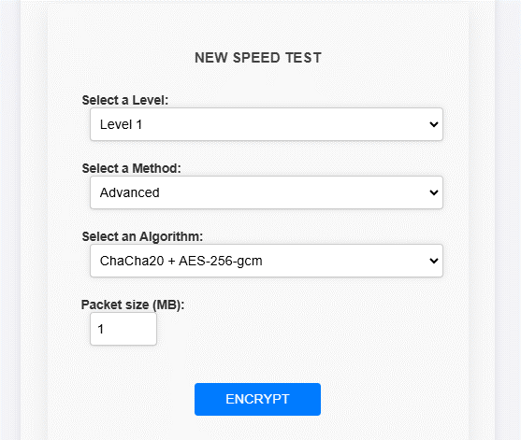

Advanced(ChaCha20 + AES-256-gcm) - 100 packets

Encryption time(s) | Packet Size(MB) | Decryption time(s) | Packet Size(MB)
0.019828796387 | 1 | 0.026923418045 | 1
0.10730791092 | 5 | 0.081871032715 | 5
0.19148802757 | 10 | 0.19148802757 | 10
0.27215051651 | 15 | 0.27814412117 | 15
0.37253284454 | 20 | 0.35319399834 | 20
0.36905026436 | 25 | 0.3119187355 | 25
0.38658666611 | 30 | 0.3792412281 | 30
0.48066616058 | 35 | 0.4702270031 | 35
0.55471730232 | 40 | 0.53321838379 | 40
0.6021194458 | 45 | 0.55560898781 | 45
0.65049695969 | 50 | 0.69844269753 | 50
0.73887825012 | 55 | 0.69679188728 | 55
0.72402215004 | 60 | 0.72164583206 | 60
0.82733607292 | 65 | 0.8369102478 | 65
0.88270235062 | 70 | 0.87673997879 | 70
0.95721936226 | 75 | 1.0500724316 | 75
1.0703663826 | 80 | 1.2076833248 | 80
1.1329712868 | 85 | 1.1852664948 | 85
1.1523828506 | 90 | 1.2153801918 | 90
1.1616919041 | 95 | 1.4278373718 | 95
1.2249078751 | 100 | 1.2590124607 | 100

Advanced (AES-128-ccm + RSA) - 100 packets

Encryption time(s) | Packet Size(MB) | Decryption time(s) | Packet Size(MB)
0.010970115662 | 1 | 0.033909082413 | 1
0.045876502991 | 5 | 0.049867153168 | 5
0.091755390167 | 10 | 0.085768222809 | 10
0.11868333817 | 15 | 0.11070227623 | 15
0.1585752964 | 20 | 0.15458917618 | 20
0.20243573189 | 25 | 0.18251204491 | 25
0.22240424156 | 30 | 0.19946479797 | 30
0.29221701622 | 35 | 0.26429271698 | 35
0.31515812874 | 40 | 0.30817580223 | 40
0.31216454506 | 45 | 0.29620814323 | 45
0.35105967522 | 50 | 0.33812737465 | 50
0.36900067329 | 55 | 0.39294981956 | 55
0.39793491364 | 60 | 0.38796234131 | 60
0.40593934059 | 65 | 0.42284250259 | 65
0.44895482063 | 70 | 0.50065922737 | 70
0.49171185493 | 75 | 0.49864339828 | 75
0.53656387329 | 80 | 0.56648397446 | 80
0.55155086517 | 85 | 0.59039378166 | 85
0.62532782555 | 90 | 0.63131189346 | 90
0.59241628647 | 95 | 0.66322684288 | 95
0.63630032539 | 100 | 0.67622160912 | 100

Advanced ( AES-128-ccm + AES-256-gcm + ECC (Curve25519) )

Encryption time(s) | Packet Size(MB) | Decryption time(s) | Packet Size(MB)
0.020943641663 | 1 | 0.012965202332 | 1
0.06981420517 | 5 | 0.06881570816 | 5
0.1495988369 | 10 | 0.11269903183 | 10
0.23038220406 | 15 | 0.19647479057 | 15
0.26927804947 | 20 | 0.2253973484 | 20
0.29820132256 | 25 | 0.27825713158 | 25
0.37599229813 | 30 | 0.39594197273 | 30
0.47572803497 | 35 | 0.4348359108 | 35
0.56648492813 | 40 | 0.52360296249 | 40
0.57845520973 | 45 | 0.56847834587 | 45
0.68815732002 | 50 | 0.56947779655 | 50
0.63927960396 | 55 | 0.63929057121 | 55
0.6995742321 | 60 | 0.68715858459 | 60
0.75398349762 | 65 | 0.76295900345 | 65
0.80385446548 | 70 | 0.87465596199 | 70
0.89261341095 | 75 | 0.87565803528 | 75
0.94746613503 | 80 | 0.9913482666 | 80
1.0910840034 | 85 | 1.1200022697 | 85
1.0671439171 | 90 | 1.0771183968 | 90
1.119007349 | 95 | 1.2366936207 | 95
1.2277100086 | 100 | 1.5299079418 | 100

 |  | k

Level 1 Admin (1-100MB)
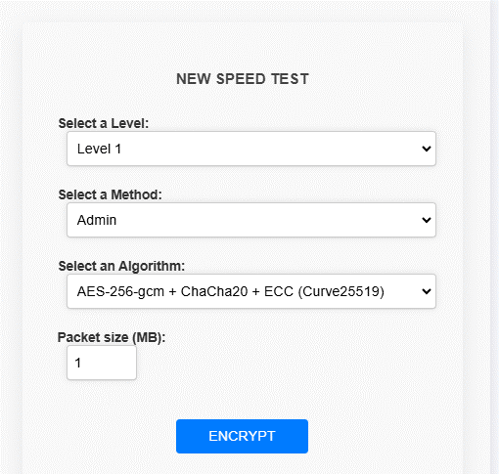

Admin(AES-256-gcm + ChaCha20 + ECC (Curve25519)) - 100 packets

Encryption time(s) | Packet Size(MB) | Decryption time(s) | Packet Size(MB)
0.015955209732 | 1 | 0.013962268829 | 1
0.071809768677 | 5 | 0.067816257477 | 5
0.16156673431 | 10 | 0.13065052032 | 10
0.20345687866 | 15 | 0.15568351746 | 15
0.25930428505 | 20 | 0.21143293381 | 20
0.31615400314 | 25 | 0.28024888039 | 25
0.41389346123 | 30 | 0.36502170563 | 30
0.40192365646 | 35 | 0.36602401733 | 35
0.47373270988 | 40 | 0.41489291191 | 40
0.48869180679 | 45 | 0.48570036888 | 45
0.55551195145 | 50 | 0.5086710453 | 50
0.61535453796 | 55 | 0.6313123703 | 55
0.63733410835 | 60 | 0.64424157143 | 60
0.7390294075 | 65 | 0.77891039848 | 65
0.78091430664 | 70 | 0.85274267197 | 70
0.81880784035 | 75 | 0.77592611313 | 75
0.83676171303 | 80 | 0.86967229843 | 80
0.88463306427 | 85 | 0.94646954536 | 85
0.95045518875 | 90 | 1.0511877537 | 90
1.0092997551 | 95 | 0.98735928535 | 95
1.066120863 | 100 | 1.1289794445 | 100

Admin (AES-128-ccm + ChaCha20 + RSA) - 100 packets

Encryption time(s) | Packet Size(MB) | Decryption time(s) | Packet Size(MB)
0.023935317993 | 1 | 0.023935556412 | 1
0.11070394516 | 5 | 0.10970568657 | 5
0.1505959034 | 10 | 0.13065099716 | 10
0.23038172722 | 15 | 0.21044015884 | 15
0.29421520233 | 20 | 0.25731134415 | 20
0.34707283974 | 25 | 0.2912197113 | 25
0.40691280365 | 30 | 0.44780039787 | 30
0.44181752205 | 35 | 0.4577755928 | 35
0.51561951637 | 40 | 0.47971630096 | 40
0.66821217537 | 45 | 0.60239601135 | 45
0.67220020294 | 50 | 0.58643269539 | 50
0.67120599747 | 55 | 0.66222786903 | 55
0.7450067997 | 60 | 0.70810461044 | 60
0.85670995712 | 65 | 0.86571335793 | 65
0.92851424217 | 70 | 0.96741318703 | 70
0.98436808586 | 75 | 0.96043181419 | 75
0.97040486336 | 80 | 0.99733281136 | 80
1.070138216 | 85 | 1.1000564098 | 85
1.0791375637 | 90 | 1.0561521053 | 90
1.1608951092 | 95 | 1.1948339939 | 95
1.3144841194 | 100 | 1.2197365761 | 100

Admin (ChaCha20 + ECC (Curve25519) + RSA)

Encryption time(s) | Packet Size(MB) | Decryption time(s) | Packet Size(MB)
0.010970115662 | 1 | 0.0209441185 | 1
0.067817687988 | 5 | 0.11868166924 | 5
0.10571622849 | 10 | 0.099732398987 | 10
0.150598526 | 15 | 0.14461326599 | 15
0.20545101166 | 20 | 0.17652773857 | 20
0.24534583092 | 25 | 0.19846916199 | 25
0.26229763031 | 30 | 0.28623533249 | 30
0.31714963913 | 35 | 0.28024959564 | 35
0.35704231262 | 40 | 0.32812619209 | 40
0.45977210999 | 45 | 0.38895750046 | 45
0.46176505089 | 50 | 0.43583488464 | 50
0.47971439362 | 55 | 0.4398252964 | 55
0.54853200912 | 60 | 0.51462697983 | 60
0.64427614212 | 65 | 0.53955698013 | 65
0.62235975266 | 70 | 0.72304081917 | 70
0.70212101936 | 75 | 0.75797247887 | 75
0.75896954536 | 80 | 0.8976020813 | 80
0.73104119301 | 85 | 0.76594924927 | 85
0.74800133705 | 90 | 0.84274411201 | 90
0.7968723774 | 95 | 0.85471367836 | 95
0.84773254395 | 100 | 0.87366247177 | 100

 |  | k

